Introduction
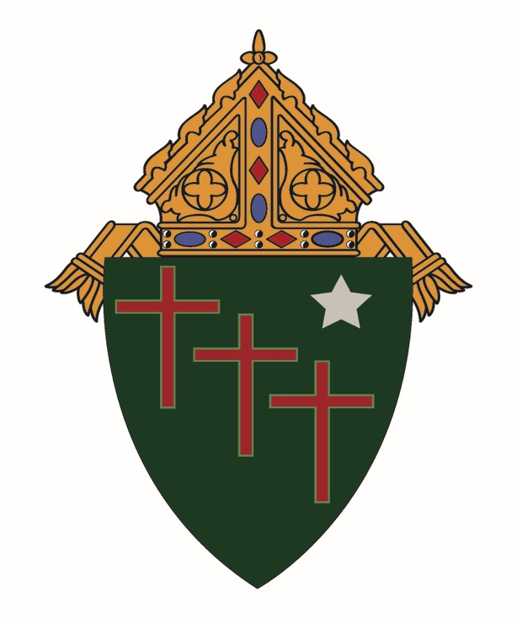

 | Roman Catholic Diocese of Gallup
 | Annual Parish Reporting Forms

Please fill in the attached forms and mail to the Diocesan Finance Office.
We accept Scan\Email - rfarrell@dioceseofgallup.org for all except COVER LETTER.
The Cover Letter must be SIGNED by each member of the Finance Council; the Pastor,
and MUST be returned by regular U.S. Post Mail.

Note:(shaded areas are allowed to be filled in).
 | Dates are in the form MM/DD/YEAR
 | Please fill in the worksheets in order.
 | Totals will be carried to subsequent worksheets

Thank You, Finance Office Diocese of Gallup

