Introduction
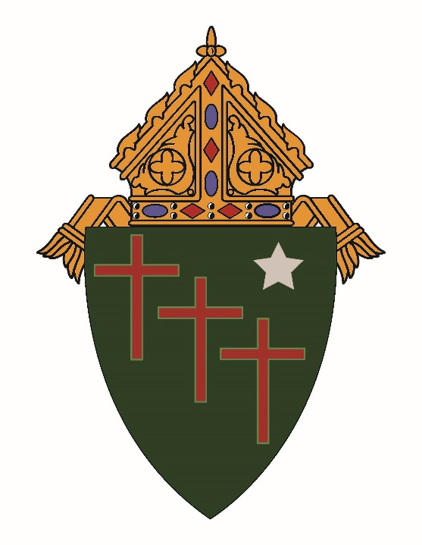

 | Roman Catholic Diocese of Gallup
 | Annual Parish Reporting Forms

Please fill in the attached forms and mail to the Diocesan Finance Office.
We accept Scan\Email - rfarrell@dioceseofgallup.org
We accept Work Books on Excel and all QuickBooks forms as well.
The Cover Letter must be SIGNED by each member of the Finance Council; the Pastor,
and MUST be returned by regular U.S. Post Mail.

Note: (shaded areas can be used).
 | Dates are in the form MM/DD/YEAR
 | Please fill in the worksheets in order.
 | Totals can be on Balance Sheet and the Summary.

Thank You, Finance Office - Diocese of Gallup

